01 Reference example
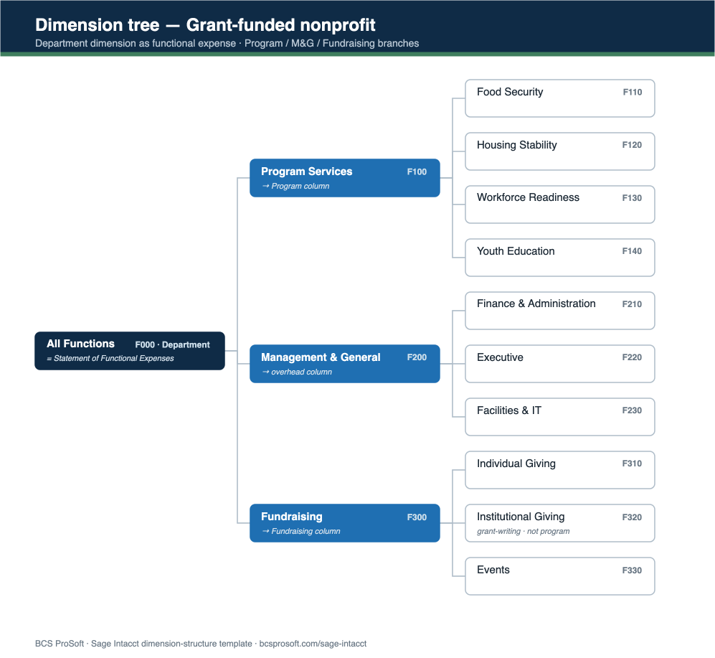
REFERENCE EXAMPLE — Grant-funded nonprofit
What a completed structure looks like. Use it as your target, then plan your own on the tabs that follow. The diagram below is the same structure as a dimension tree.

Dimension | Represents (this vertical) | Why it lives here | Required? | Reports it drives
Department | Functional expense (Program/M&G/Fundraising) | Drives the SOFE | Required | Statement of Functional Expenses, overhead ratio, 990
Project | Grant award | One member per award | Required on restricted | Grant budget vs actual, funder reports, burn rate
Class | Donor restriction | Two members: without / with | Required | Net assets by restriction, release schedule
Customer | Funder / grantor | Foundations & agencies | On revenue | Funder concentration, receivable ageing
UDD: Funding Source | Federal / State / Foundation / Individual | Drives SEFA | Recommended | Single-audit prep, funding mix

THE SAME STRUCTURE, AS A DIMENSION TREE

