01 Reference example
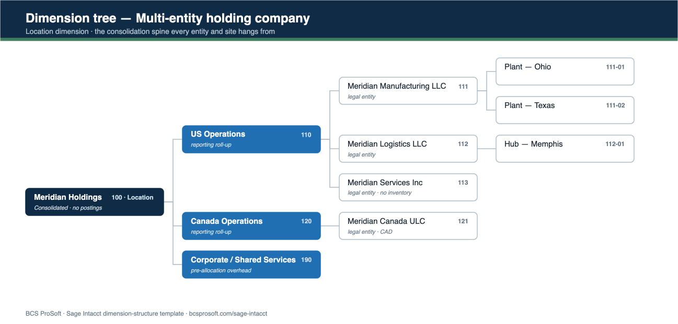
REFERENCE EXAMPLE — Multi-entity holding company
What a completed structure looks like. Use it as your target, then plan your own on the tabs that follow. The diagram below is the same structure as a dimension tree.

Dimension | Represents (this vertical) | Why it lives here | Required? | Reports it drives
Location | Legal entity, then site | The consolidation spine | Required | Consolidated P&L, entity balance sheets, eliminations
Department | Function (Finance, Ops, Sales…) | Same tree in every entity | Required | Departmental P&L, consolidated function spend
Class | Line of business / revenue stream | The cut that crosses entities | Required on P&L | LOB margin, segment reporting
Project | Job, contract or capital program | Discrete work with its own budget | Conditional | Project P&L, WIP, capex tracking
Customer / Vendor | Billing entity / supplier | AR & AP, plus intercompany counterparties | On AR/AP | Revenue by customer, group vendor spend

THE SAME STRUCTURE, AS A DIMENSION TREE

